Sheet1
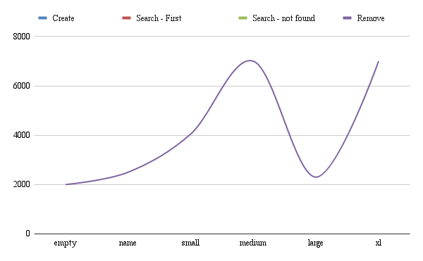
Linked List
Elapsed Time | empty | name | small | medium | large | xl
Create Insert (fill) | 130 400 | 130 5000 | 130 50000 | 130 55000 | 130 55000 | 130 55000
Search - First Second - Last | 500 | 600 700 | 600 800 | 700 600 | 600 500 | 700 6000
Search - not found Read | 340 700 | 800 500 | 300 800 | 200 400 | 200 300 | 600 700
Remove | 2000 | 2500 | 4050 | 7000 | 2300 | 7000

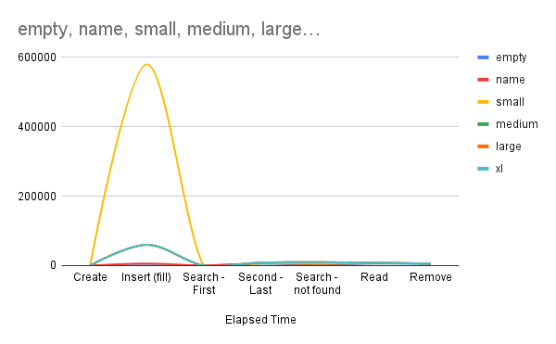
Sorted
Elapsed Time | empty | name | small | medium | large | xl
Create | 110 | 130 | 130 | 130 | 130 | 130
Insert (fill) | 300 | 6000 | 580000 | 60000 | 60000 | 60000
Search - First | 400 | 500 | 500 | 500 | 500 | 500
Second - Last | 5600 | 6500 | 7060 | 8000 | 8700 | 8700
Search - not found | 2300 | 4300 | 5700 | 10000 | 10000 | 10000
Read | 6000 | 7000 | 8000 | 8000 | 8000 | 8000
Remove | 4500 | 6000 | 6000 | 6000 | 6000 | 6000

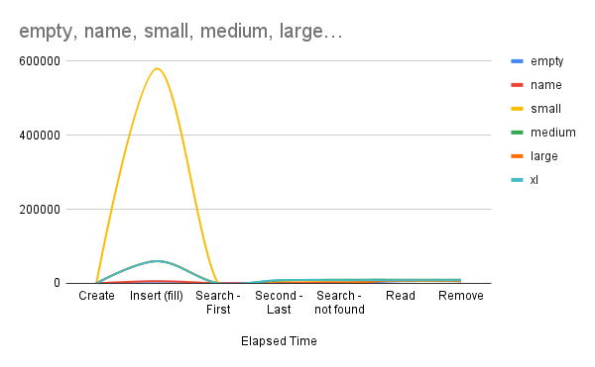
Stack
Elapsed Time | empty | name | small | medium | large | xl
Create | 110 | 130 | 130 | 130 | 130 | 130
Insert (fill) | 300 | 6000 | 580000 | 60000 | 60000 | 60000
Search - First | 400 | 500 | 500 | 500 | 500 | 500
Second - Last | 400 | 500 | 7060 | 8000 | 500 | 8700
Search - not found | 400 | 4300 | 7060 | 10000 | 500 | 8700
Read | 6000 | 7000 | 8000 | 10000 | 8000 | 8700
Remove | 6000 | 7000 | 6000 | 10000 | 6000 | 8700

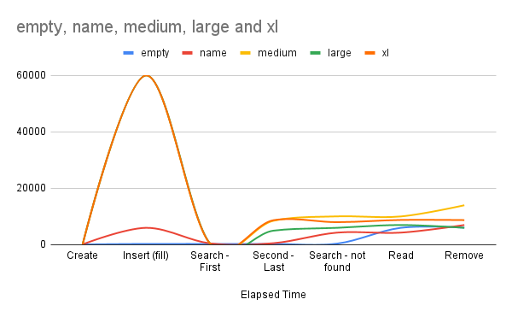
Treemap
Elapsed Time | empty | name | small | medium | large | xl
Create | 110 | 130 | 130 | 130 | 130 | 130
Insert (fill) | 300 | 6000 | 580000 | 60000 | 60000 | 60000
Search - First | 300 | 500 | 500 | 500 | 500 | 500
Second - Last | 300 | 560 | 7560 | 8500 | 5000 | 8700
Search - not found | 400 | 4300 | 7060 | 10060 | 6000 | 8000
Read | 6000 | 4300 | 7060 | 10030 | 7000 | 8790
Remove | 6050 | 7000 | 6000 | 14000 | 6000 | 8740

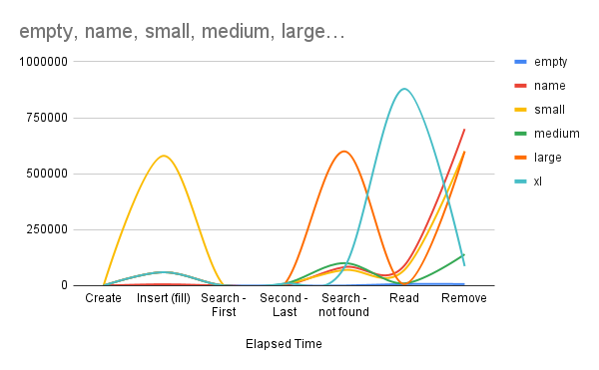
Array list
Elapsed Time | empty | name | small | medium | large | xl
Create | 110 | 130 | 130 | 130 | 130 | 130
Insert (fill) | 350 | 6000 | 580000 | 60000 | 60000 | 60000
Search - First | 350 | 500 | 500 | 500 | 500 | 500
Second - Last | 400 | 860 | 7560 | 8500 | 5000 | 8700
Search - not found | 400 | 83000 | 70060 | 100600 | 600000 | 80000
Read | 7000 | 90300 | 70600 | 10030 | 7000 | 879000
Remove | 7050 | 700000 | 600000 | 140000 | 600000 | 87040

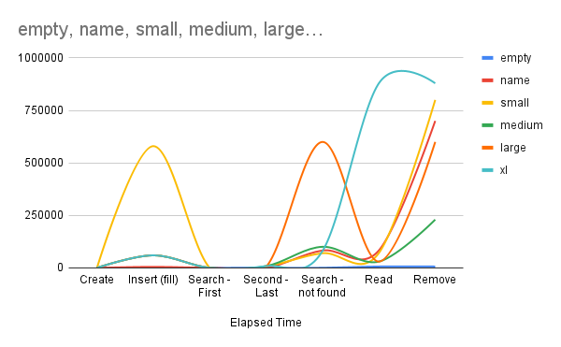
Hashmap
Elapsed Time | empty | name | small | medium | large | xl
Create | 210 | 340 | 340 | 340 | 340 | 340
Insert (fill) | 560 | 5000 | 580000 | 60000 | 60000 | 60000
Search - First | 560 | 560 | 560 | 560 | 560 | 560
Second - Last | 700 | 500 | 8760 | 8500 | 5000 | 8700
Search - not found | 700 | 83000 | 70060 | 100600 | 600000 | 80000
Read | 6700 | 83000 | 70600 | 30030 | 30030 | 879000
Remove | 6700 | 700000 | 800000 | 230000 | 600000 | 879000

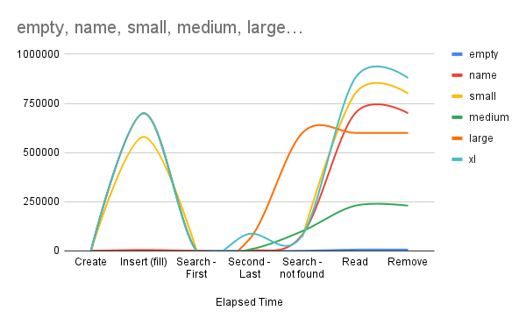
Treeset
Elapsed Time | empty | name | small | medium | large | xl
Create | 300 | 450 | 450 | 450 | 450 | 450
Insert (fill) | 760 | 5000 | 580000 | 700000 | 700000 | 700000
Search - First | 760 | 760 | 760 | 760 | 760 | 760
Second - Last | 800 | 900 | 576-0 | 7300 | 60000 | 87000
Search - not found | 800 | 83000 | 70060 | 100600 | 600000 | 80000
Read | 6700 | 700000 | 800000 | 230000 | 600000 | 879000
Remove | 6700 | 700000 | 800000 | 230000 | 600000 | 879000

